Remote
1.不要轻易使用 push -f, 容易执行非快进式推送，造成很严重的问题
2.git rev-list HEAD 查看本地最新提交及其历史提交 | 若果远程最新提交是本地最新提交的的祖先提交，则可以执行快进式推送
4.git log --oneline --decorate 可以看到提交的相应tag和branch
5.新tag必须被显式推送到origin库, 但是pull可以自动获得得到branch中的tag
get push origin mytag
git push origin refs/tags/*
6.git push origin :<tagname> 删除一个远程Tag | 不会自动更新，建议不要使用
7.不要变更tag，它必须被显式push和pull
8.tag一旦共享就不要再修改。尤其是本地已有同名tag默认不会从上游同步。
10.避免用户吧所有分支都推送到共享版本库，造成分支混乱
11.避免用户在共享版本库随意创建tag而导致混乱
13.git branch -r 能够查看远程分支
14.远程branch相当于一个tag，直接checkout将会造成分离头指针状态 1)git checkout origin/<branchname> 但是可以 git checkout -b <samebranch> origin/<samebranch> | 针对所有refs做这个功能(加到History dialog)
15.为远程branch建立追踪branch 1)git checkout <samebranch> git checkout -b <samebranch> origin/<samebranch> (会有一个branch切换) ***git push/pusll 默认操作为 repo:origin branch:本地当前branch 2)git config branch.<samebranch>.remote <URL> git config branch.<samebranch>.merge refs/heads/ <samebranch>
16.注册远程repository / 显示已注册远程版本库 / 删除显已注册远程版本库 git remote add new-remote <URL> git remote -v git remote rename<remote>
17.更新远程repository的注册 git remote set-url <remote> <URL> git remote set-url --push <remote> <URL> git remote set-url --pull <remote> <URL> git remote rename <old-name> <new-name>
18.更新所有注册远程repository （得到他们的所有branch） git remote update 如果想得到某个远程repository所有分支的更新，可以使用 git fetch <remote>
19.显式推送,可以在远程创建一个branch，(但是没有建立追踪，所有不能隐式操作-----测试证明这个说法错误) git push origin <newbranch> ------create a new branch in remote ------and a track will be create automatically git fetch origin -------get the new branch and create track too
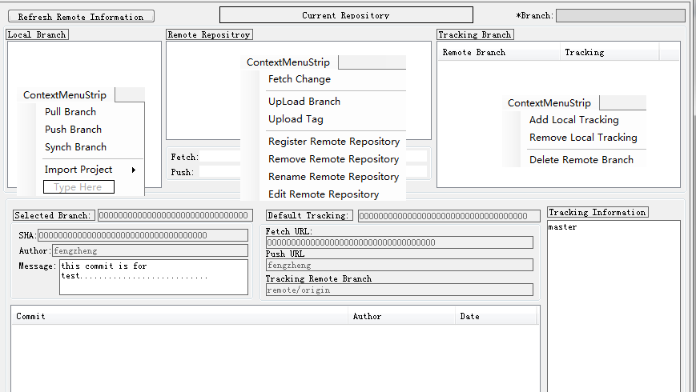
19.1 显式推送,可以在远程删除一个branch, 和tag一样 git push origin :<branchname>
20.git pull --rebase 可以使用变基而不是merge，版本图更为清晰直观
21.根据得到的远程branch,可以判断出当前的操作是否改变到了已经共享的commit，这是个危险的行为，会影响到共享库的协同操作，对下列操作应该进行执行前的检查操作，给出严重警告： reset/revert/rebase… git status 这个命令会列出跟踪branch与远程branch之间的间隔距离，可以用作判断
22. git remote prune <origin>prune 移调所有的冗余远程branch
在该设计中要为当前选中的branch, 显示它的追踪branch
1.git ls-remote origin 查看远程最新提交及其历史提交
2.deal with sub-module operation
3.使用thin pack(pull using)

Remote Opera(Dialog)
Funciton | Submodule | Control ID | Git Command | Git Return Paramert | Detail
Show Curretn working Branch |  |  | git branch
Show/change working repository
remote Opera(Dialog) |  |  | 2)git remote prune <origin> 1)git remote update 4)git submodule status git submodule init git submodule update 还需要切换子模块branch,避免squash
Show Local branch list 1.get all local branch 2.use Icon to distinguish whether the branch has some different from tracking remot branch 3.context menu Pull Branch Push Branch Synch Branch Add Sub_Module Merge Child Tree | Form_Remote_PullBranch Form_Remote_PushBranch Form_Remote_SynchBranch Form_Remote_AddSubModule Form_Remote_MergeChildTree |  | 1)git branch git branch -v 2)git status | git branch -v * master cdefc15 mylog
Show Remote Repository List 1.get all remote Repository infomation 2.show name list 3.show related fetch and push URL for selected remote name. 3.context menu Fetch Change UpLoad Branch Upload Tag Register Remote Repository Remove Remote Repository Rename Remote Repository Edit Remote Repository | Form_Remote_Fetch Form_Remote_UpLoadBranch Form_Remote_UploadTag Form_Remote_AddRemote Form_Remote_RemoveRemote Form_Remote_RenameRemote Form_Remote_EditRemote |  | 1)git remote -v 2)git remote -v
Show Remote tracking branch List 1.get all remote branch infomation 1.show remote branchs 2.show related local tracking branch 3.context menu Add Local Tracking Remove Local Tracking Delete Remote Branch | Form_Remote_AddTracking Form_Remote_RemoveTracking Form_Remote_DelRemoteBranch |  | 1)git branch -r 2)git config branch.<branch>.remote <URL> branch.<branch>.merge refs/heads/<branch>
Show Related infomation of branch selected 1.show related commit info SHA/Author/Message 2.show default tracking infor 1.remote name 2.Fetch URL 3.Push URl 4.Tracking remote Branch 3.show commit history of selected branch 1.Message 2.Author 3.date show different color for different item according to it's satus for remote repository 4.show Tracking Information |  |  | 1）git branch -v git show <branch> 2) refer to upper case 3)git rev-list <branch> git show <commit> 4）git status or parase related remote branch and compare thire ID and numbers of tehm 4) 根据得到的远程branch,可以判断出当前的操作是否改变到了已经共享的commit，这是个危险的行为，会影响到共享库的协同操作，对下列操作应该进行执行前的检查操作，给出严重警告： reset/revert/rebase… git status 这个命令会列出跟踪branch与远程branch之间的间隔距离，可以用作判断

Percent:100
Form_Remote_PullBranch(Dialog)
Funciton | Submodule | Control ID | Git Command | Git Return Paramert | Detail
execite a update for remote informationafter the opeation

Form_Remote_PushBranch Form_Remote_SynchBranch(Dialog)
Funciton | Submodule | Control ID | Git Command | Git Return Paramert | Detail
execute a update for remote information after the opeation |  |  | git push Origin master:master

Percent:100
Form_Remote_Fetch(Dialog) update remote
Funciton | Submodule | Control ID | Git Command | Git Return Paramert | Detail
execute a update for remote information after the opeation
Fetch will update remote tracking branch(and can't create a new branch)
show new commits list from remot message/author/dae/(??tag/branch) |  |  | (git log --oneline --decorate)
select whehter sub-module will be updated too (it's ignored Now, finish it later) |  |  | git submodule status git submodule init git submodule update 还需要切换子模块branch,避免squash

Percent:100
Form_Remote_UpLoadBranch(Dialog)
Funciton | Submodule | Control ID | Git Command | Git Return Paramert | Detail
execute a update for remote information after the opeation |  |  | git push origin <newbranch> ------create a new branch in remote ------and a track will be create automatically git fetch origin -------get the new branch and create track too
Show Target Remote Repository
Show Branch list(just it's not exist on Remote Repo)
Show opeation result
update the main dialog

Percent:100
Form_Remote_UploadTag(Dialog)
Funciton | Submodule | Control ID | Git Command | Git Return Paramert | Detail
execute a update for remote information after the opeation |  |  | get push origin mytag git push origin refs/tags/*
Show Target Remote Repository
Show Tag list
Show opeation result

Percent:100
Form_Remote_AddRemote(Dialog)
Funciton | Submodule | Control ID | Git Command | Git Return Paramert | Detail
Execute ‘add’ opeation 1.Edit the remote repository name 2.Edit the fetch url 3.Edit the push url 4.assure the remote name is different from name of exist name |  |  | git remote add new-remote <URL> git remote set-url <remote> <URL> git remote set-url --push <remote> <URL> git remote set-url --pull <remote> <URL> git remote rename <old-name> <new-name>
Show opeation result
execute a updation for remote information after the operation |  |  | git remote update <Name>
the asynch update operation can be cancelled

Percent:100
Form_Remote_RemoveRemote(Dialog)
Funciton | Submodule | Control ID | Git Command | Git Return Paramert | Detail
Execute ‘Remove’ operation |  |  | git remote rm <name>
Show remote repositroy list
show selected remot repository's information 1)all Url 2)related remote branch
execute a updation for remote information after the opeation |  |  | it' ok when doing nothing after opeation

Percent:100
Form_Remote_RenameRemote(Dialog)
Funciton | Submodule | Control ID | Git Command | Git Return Paramert | Detail
Execute rename opeation |  |  | git remote rename <old> <new>
Show remote repository list
edit new name
Show opeation result
execute a updation for remote information after the opeation

Percent:100
Form_Remote_AddTracking(Dialog)
Funciton | Submodule | Control ID | Git Command | Git Return Paramert | Detail
Execute ‘tracking’ operation |  |  | 15.为远程branch建立追踪branch 1)git checkout <samebranch> git checkout -b <samebranch> origin/<samebranch> (会有一个branch切换) ***git push/pusll 默认操作为 repo:origin branch:本地当前branch 2)git config branch.<samebranch>.remote <URL> git config branch.<samebranch>.merge refs/heads/ <samebranch>
Show Remote repository and remote branch
execute a updation for remote information after the opeation
Select a exist branch to track…
Create a new bran to track…

Form_Remote_RemoveTracking(Dialog)
Funciton | Submodule | Control ID | Git Command | Git Return Paramert | Detail
Execute ‘Remove localtracking’ operation |  |  | 2)git config branch.<samebranch>.remote <URL> git config branch.<samebranch>.merge refs/heads/ <samebranch>
show target repository and remoet tracking branch name
Check whether the related local remote tracking branch will be deleted
execute a updation for remote information after the opeation

Percent:100
Form_Remote_DelRemoteBranch(Dialog)
Funciton | Submodule | Control ID | Git Command | Git Return Paramert | Detail
Execute ‘tracking’ operation |  |  | git push origin :<branchname>
show target repository and branch name
execute a updation for remote information after the opeation

Percent:100
Form_Remote_EditRemote
Form_Remote_EditRemote(Dialog)
Funciton | Submodule | Control ID | Git Command | Git Return Paramert | Detail
Execute Edit operation |  |  | git push origin :<branchname>

execute a updation for remote information after the opeation

Form_Remote_AddSubModule Form_Remote_MergeChildTree
Form_Remote_PullBranch(Dialog)
Funciton | Submodule | Control ID | Git Command | Git Return Paramert | Detail
execute Adding Sub-Module opeation |  |  | git submodule Add
show index status and give a commit operation |  |  | git commit -m ""
Show opeation result
execute a updation for remote information after the opeation

